NXP15XH103F03RC
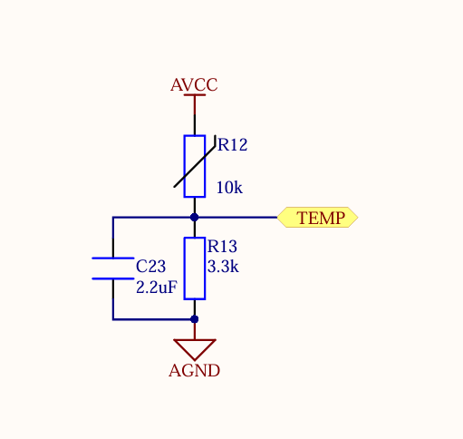
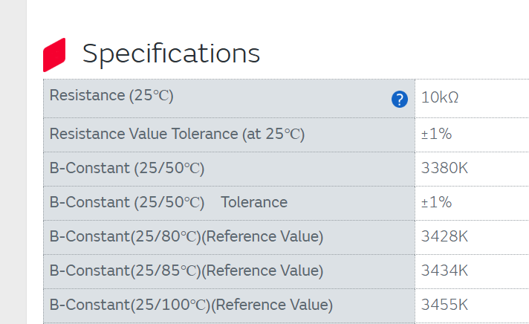
NTC P/N (assuming ODESC 4p2 uses same BOM as ODRIVE 3.5) | NXP15XH103F03RC

V_TEMP = AVCC / (R_NTC + R_BOT) * R_BOT
CNTS = V_TEMP / AVCC * RESOLUTION

BITS | 12
RESOLUTION | 4096
AVCC | 3.3
R_BOT | 3300

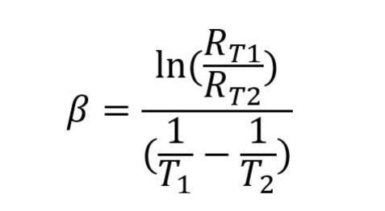

 |  |  |  |  | 274.15

 |  | B (25-100C) | 10000 | R_t2 | t1 | t2 | Counts
 |  | 3455 | 10000 | 246828.50083 | 25 | -40 | 54
 |  | 3455 | 10000 | 134872.75133 | 25 | -30 | 98
 |  | 3455 | 10000 | 77287.266178 | 25 | -20 | 168
 |  | 3455 | 10000 | 46195.607839 | 25 | -10 | 273
 |  | 3455 | 10000 | 28668.099186 | 25 | 0 | 423 | B(1/t+1/t) = ln(Rt1/Rt2)
 |  | 3455 | 10000 | 18398.44349 | 25 | 10 | 623
 |  | 3455 | 10000 | 12169.138637 | 25 | 20 | 874 | e^(B(1/t+1/t)) = Rt1/Rt2
 |  | 3455 | 10000 | 8270.7211357 | 25 | 30 | 1168
 |  | 3455 | 10000 | 5761.0864664 | 25 | 40 | 1492
 |  | 3455 | 10000 | 4103.5023615 | 25 | 50 | 1826
 |  | 3455 | 10000 | 2982.8015272 | 25 | 60 | 2151
 |  | 3455 | 10000 | 2208.7400416 | 25 | 70 | 2454
 |  | 3455 | 10000 | 1663.5408399 | 25 | 80 | 2723
 |  | 3455 | 10000 | 1272.5764789 | 25 | 90 | 2956
 |  | 3455 | 10000 | 987.53779188 | 25 | 100 | 3153
 |  | 3455 | 10000 | 776.52825671 | 25 | 110 | 3316
 |  | 3455 | 10000 | 618.09908234 | 25 | 120 | 3450
 |  | 3455 | 10000 | 497.58011069 | 25 | 130 | 3559
 |  | 3455 | 10000 | 404.77787404 | 25 | 140 | 3648
 |  | 3455 | 10000 | 332.50457017 | 25 | 150 | 3721
 |  | 3455 | 10000 | 275.6217456 | 25 | 160 | 3780
 |  | 3455 | 10000 | 230.40853154 | 25 | 170 | 3829
 |  | 3455 | 10000 | 194.13796421 | 25 | 180 | 3868
 |  | 3455 | 10000 | 164.78881587 | 25 | 190 | 3901
 |  | 3455 | 10000 | 140.84697882 | 25 | 200 | 3928

 |  |  | -40
 |  |  | -30
 |  |  | -20
 |  |  | -10
 |  |  | 0
 |  |  | 10
 |  |  | 20
 |  |  | 30
 |  |  | 40
 |  |  | 50
 |  |  | 60
 |  |  | 70
 |  |  | 80
 |  |  | 90
 |  |  | 100
 |  |  | 110
 |  |  | 120
 |  |  | 130
 |  |  | 140
 |  |  | 150
 |  |  | 160
 |  |  | 170
 |  |  | 180
 |  |  | 190
 |  |  | 200

